Instructions
Data Template Instructions

Overview: This page provides you a step-by-step guide for effectively utilizing the Data Project Template. For troubleshooting or technical support, contact your district IT or school counseling leader.

Quick Hits
* Download this template and save to your computer
* Ensure macros are enabled
* Select school and district names and school year from drop downs (do not type)
* Ensure all text fits within the space provided in the text boxes
* Fill out and edit this template only in Excel, not in Google Sheets
* Pop-up boxes will offer guidance about template sections. Click anywhere outside pop-up to zzmake it disappear
* This template is formatted to print or save to PDF. Be sure to set to 'Landscape' in print zzsettings
Excel Formatting Tips and Shortcuts

Tip/Shortcut | Mac | PC

Copy and Paste | Copy: 'command' + 'c' Paste: 'command' + 'v' | Copy: 'ctrl' + 'c' Paste: 'ctrl' + 'v'

Return/Add a Line Break in Text Box | 'option' + 'return' | 'alt' + 'enter'

Undo | 'command' + 'z' | 'ctrl' + 'z'

Step 1: Download Template and Enable Macros

In order for the features of your template to work properly, it is important to ensure Macros are enabled.
When first opening this file, Mac Users will see the following alert. It is important to select "Enable Macros", even though it's not highlighted.
If you already selected "Disable Macros," you will have the ability to close out of the document and select "Enable Macros" upon reopening the document.
It is also essential to save this document as an "Excel Macro-Enabled Workbook." After clicking File --> Save As, Mac Users will be able to confirm the document is saved properly when they select:

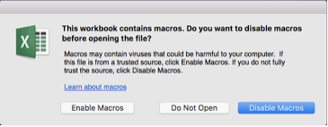

PC Users may see the following warning. Be sure to click "Enable Content".

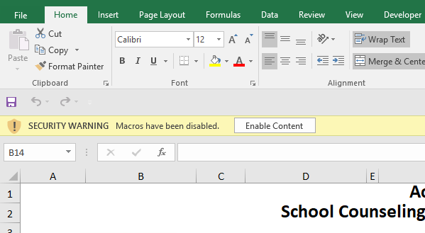

PC Users must also ensure their data template is saved as an "Excel Macro-Enabled Workbook." This option is the default option after clicking File-> Save As.

Step 2: Review and Complete the Template

Instead of typing into these fields, select your district name and school name as well as the school year from the available drop downs. If you work in a charter school, you can select the charter as both your district and school.

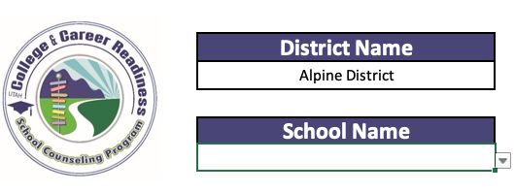
Note: You may have to scroll, but you should only have to make this selection once if you save your progress.
Elementary schools do not have the word "elementary" in their names. For example, Bennion Elementary School is listed here as "Bennion School." For schools sharing the same name across districts, the district will be named in parentheses next to the school name.

The task of educators is to close access, attainment, and achievment gaps among student groups, as well as the gap between achievement and academic standards for all students. With this equity focus in mind, select which student groups your project will target. If you select 'Other', please specify in the text box below.

The baseline data section is the space to record the initial collection of data related to an identified need/gap. This data should reflect the specific student populations that your project will target as well as serve as a basis for comparison with the subsequently acquired data. The table below provides a list of possible Access, Attainment, and Achievement data sources.

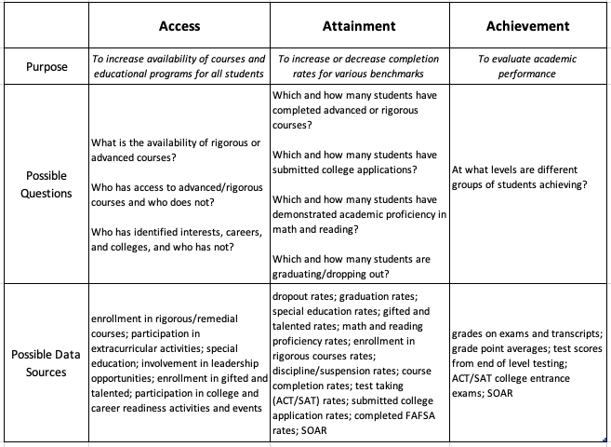

Use the chart below to create a five-point measurable goal. Consider elements of a SMART goal, ensuring your goal is Specific, Measurable, Attainable, Relevant, and Time-Bound.

Write your goal here. Please refer to the example above.

Some counselors have asked for space to explain their goal. This is optional.

School counselor and administrator collaboration is integral in implementing a high quality school counseling program. Improving student outcomes is maximized when school counselors and administrators work together to analyze data and establish school counseling program goals aligned with school improvement goals. This box is your opportunity to highlight this collaborative process and explain how your data project is aligned to the overall goals of the school.

Indicate whether this project is new for your school or a continuation of last year (or other previous years). If it is ongoing, type in the number of past years. If you are continuing, it is important to consider what changes to your project design you will make to be successful.

When determining a goal for your data project, please make sure that your efforts will lead to meaningful outcomes for students. Use this space to explain the significance of the impacts this goal will have on the lives of your students.

In order to implement effective interventions based on data-driven decisions, it is important to design a systemic approach. This approach considers the relationships between the various subsystems that affect an individual student. Using a systems lens allows counselors to provide interventions that are holistic and sustained over time.
Describe the interventions you plan to take in order to meet your goal. It is important to note that - depending on your goal statement - your data project may not need to address every level of the system. Please address as many as is possible or reasonable within the context of your school and project. For a list of possible systemic interventions relating to your data project, visit CTESurveys.com.
The example interventions below support the example goal statement.

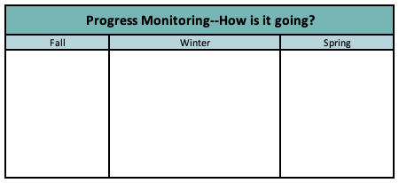
It is important to monitor your progress toward your goal over time. How is it going? Use the space in this chart to write down any measures of progress (formal or informal) that indicate whether you are on track to meet your goal. If your goal wasn't in place during one of these windows of time, you can write "N/A".

It's time to share your hard work! Indicate the date (mm/yyyy) that you shared project outcomes with various stakeholders.

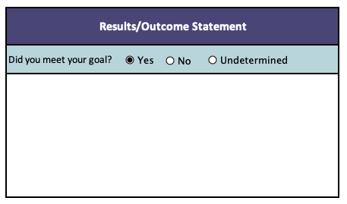

Once you have obtained the results from your data project, indicate whether you met your goal.

Use this section of the chart to write a statement describing the results from your project.



This section of the template is where you can copy and paste a chart to visually represent your results. We have provided you a Chart Generator Tab that will create a chart based on the values you input. Please read the instructions on the Chart Generator Tab for more information.
Whether you make your own graphic or you use the Chart Generator Tab, please copy and paste your graphic here in this space.
If you would like to add a new tab to this template, click on the (+) sign next to the tabs at the bottom of this document. You may store your project data within this file and/or create your own charts as you see fit.

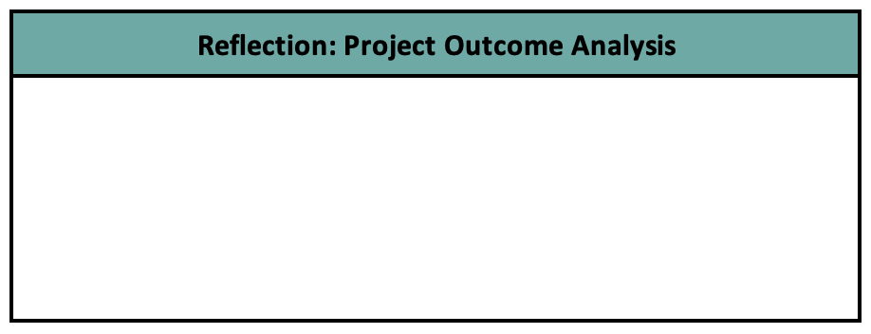

This is the space for you to reflect on your project's outcomes. What led to the results?
In the spirit of continuous improvement, it is important to reflect and analyze your results. Why do you believe your goal was met or not? What about the approach worked well? What would you do differently to maximize impact in the future? Will you continue this goal into your next data project, or is it time to move on to a different area?

In this box, reflect what you learned while working on this project. How will this learning inform your next steps?

Step 3: Save and Submit Data Project

Once your data project is finalized, save the completed template in your electronic evidence box files (Standard 2: Data Effectiveness and Program Management). Data projects need to be submitted to your district CTE/School Counseling Leader who will submit them to USBE.
Charter schools will need to email their data projects to a USBE School Counseling Program Specialist.
Data projects are due to USBE on or before June 1. Each district may have their own deadline that they are requiring for school counselors to submit their data projects. Please verify with your district’s CTE/School Counseling Leader for their deadline for submission.
For updated information regarding program management and implementation, visit the School Counseling Program website at www.schools.utah.gov.
Thank you for your continued dedication to improving outcomes for students. Please feel free to contact a USBE School Counseling Program Specialist if you have any remaining questions. Contact information can be found on our website at www.schools.utah.gov.

Data Project Template
Accountability and Data Project
School Counseling Programs - Access, Attainment, Achievement

 | District Name |  |  | Area of Focus | This project provides targeted supports to students…
 | Click here for Dropdown

 | School Name
 | Click here for Dropdown

 | School Year
 | Click here for Dropdown

Baseline Data |  |  |  |  | Goal Statement
 |  |  |  |  | Direction | Group | Data Elements | Expected Outcome | Date of Outcome
 |  |  |  |  | Example: Increase | 9th grade male emergent bilingual students | credit completion rates by | 10% | by the end of the 4th term

 |  |  |  |  | Goal Explanation (Optional)

How does this project support the School Improvement Plan? |  |  |  |  | How will achieving this goal lead to significant and meaningful outcomes for students?

This project is: |  | *Number of previous years on project:

Systemic Interventions

Individual Level

Student Group Level

Classroom Level

Grade Level

School Level

District Level

Family Level

Community Level

 |  |  |  |  |  |  | Evidence of Impact: When did you share the story?
Accountability and Data Project |  |  |  |  |  |  | Administration |  | mm/yyyy
School Counseling Programs - Access, Attainment, Achievement |  |  |  |  |  |  | Faculty and Staff |  | mm/yyyy
 |  |  |  |  |  |  | School Community Council |  | mm/yyyy
 |  |  |  |  |  |  | School Board |  | mm/yyyy

Progress Monitoring: How is it going? |  |  |  |  | Data Graphic
Fall | Winter |  | Spring

Results/Outcome Statement

Did you meet your goal?

Reflection: Project Outcome Analysis |  |  |  |  | Reflection: Learning and Next Steps

Chart Generator
Directions: Below, you will find a sample of charts and graphs that you may wish to use to display your Data Project data. There are options to display data based in percentages as well as numbers (scroll to the right). Please look through the available options to determine which option makes the most sense for your project. You may enter your data in the tables along the left side of this sheet under each of the yellow "Data Entry" labels. You can modify these templates how you see fit, including renaming elements and adding or deleting the number of outcomes or data points. Please be sure your graphic includes a title and necessary labels. Once you've created the chart of your choice, you can copy and paste it into your data template on the previous tab. After pasting, the graph will remain linked to the original in this tab. Any changes you make will automatically update in the template.

2 Outcomes (percentages) - Quarterly |  |  | Gridlines and Vertical Axis | Data Labels, No Gridlines, No Vertical Axis |  |  |  | 2 Outcomes (numbers) - Quarterly |  |  | Gridlines and Vertical Axis | Data Labels, No Gridlines, No Vertical Axis

 | Outcome 1 Name | Outcome 2 Name | Outcome 1 Name | Outcome 2 Name
1 QRTR |  |  | 89% | 34%
2 QRTR |  |  | 84% | 71%
3 QRTR |  |  | 86% | 54%
4 QRTR |  |  | 72% | 37%
 | Outcome 1 Name | Outcome 2 Name | Outcome 1 Name | Outcome 2 Name
1 QRTR |  |  | 89% | 34%
2 QRTR |  |  | 84% | 71%
3 QRTR |  |  | 86% | 54%
4 QRTR |  |  | 72% | 37%
 | Outcome 1 Name | Outcome 2 Name
1 QRTR | 2.0 | 12.0
2 QRTR | 0.8 | 10.0
3 QRTR | 4.0 | 6.0
4 QRTR | 8.0 | 1.0
 | Outcome 1 Name | Outcome 2 Name | Outcome 1 Name | Outcome 2 Name
1 QRTR |  |  | 2.0 | 12.0
2 QRTR |  |  | 0.8 | 10.0
3 QRTR |  |  | 4.0 | 6.0
4 QRTR |  |  | 8.0 | 1.0
Data Entry |  |  |  |  |  |  |  | Data Entry

 | Outcome 1 Name | Outcome 2 Name |  |  |  |  |  |  | Outcome 1 Name | Outcome 2 Name

1 QRTR | 89% | 34% |  |  |  |  |  | 1 QRTR | 2.0 | 12.0
2 QRTR | 84% | 71% |  |  |  |  |  | 2 QRTR | 0.8 | 10.0
3 QRTR | 86% | 54% |  |  |  |  |  | 3 QRTR | 4.0 | 6.0
4 QRTR | 72% | 37% |  |  |  |  |  | 4 QRTR | 8.0 | 1.0

2 Outcomes (percentages) - 5 Years |  |  |  |  |  |  |  | 2 Outcomes (numbers) - 5 Years

 |  |  | Gridlines and Vertical Axis | Data Labels, No Gridlines, No Vertical Axis |  |  |  |  |  |  | Gridlines and Vertical Axis | Data Labels, No Gridlines, No Vertical Axis
Data Entry |  |  |  |  |  |  |  | Data Entry

 | Outcome 1 Name | Outcome 2 Name | Outcome 1 Name | Outcome 2 Name
Year 1 |  |  | 89% | 34%
Year 2 |  |  | 84% | 71%
Year 3 |  |  | 86% | 54%
Year 4 |  |  | 72% | 37%
Year 5 |  |  | 70% | 35%
 | Outcome 1 Name | Outcome 2 Name | Outcome 1 Name | Outcome 2 Name
Year 1 |  |  | 89% | 34%
Year 2 |  |  | 84% | 71%
Year 3 |  |  | 86% | 54%
Year 4 |  |  | 72% | 37%
Year 5 |  |  | 70% | 35%
 | Outcome 1 Name | Outcome 2 Name | Outcome 1 Name | Outcome 2 Name
Year 1 |  |  | 10.0 | 2.0
Year 2 |  |  | 15.0 | 2.7
Year 3 |  |  | 23.0 | 3.0
Year 4 |  |  | 32.0 | 3.3
Year 5 |  |  | 49.0 | 3.3
 | Outcome 1 Name | Outcome 2 Name | Outcome 1 Name | Outcome 2 Name
Year 1 |  |  | 10.0 | 2.0
Year 2 |  |  | 15.0 | 2.7
Year 3 |  |  | 23.0 | 3.0
Year 4 |  |  | 32.0 | 3.3
Year 5 |  |  | 49.0 | 3.3
 | Outcome 1 Name | Outcome 2 Name |  |  |  |  |  |  | Outcome 1 Name | Outcome 2 Name

Year 1 | 89% | 34% |  |  |  |  |  | Year 1 | 10.0 | 2.0
Year 2 | 84% | 71% |  |  |  |  |  | Year 2 | 15.0 | 2.7
Year 3 | 86% | 54% |  |  |  |  |  | Year 3 | 23.0 | 3.0
Year 4 | 72% | 37% |  |  |  |  |  | Year 4 | 32.0 | 3.3
Year 5 | 70% | 35% |  |  |  |  |  | Year 5 | 49.0 | 3.3

2 Outcomes (percentages) - Pre & Post |  |  |  |  | 2 Outcomes (numbers) - Pre & Post

Data Entry |  |  |  |  | Data Entry
 | Pre | Post |  |  |  | Pre | Post
 | Pre Label | Post Label |  |  |  | Pre Label | Post Label
Outcome 1 | 38% | 15% |  |  | Outcome 1 | 38.0 | 15.0
Outcome 2 | 65% | 77% |  |  | Outcome 2 | 65.0 | 77.0

Pre Label
Post Label
Pre Label
Post Label

Pie Chart (percentages) - Pre & Post (or Other Comparison) |  |  |  |  | Pie Chart (numbers) - Pre & Post (or Other Comparison)

Data Entry |  |  |  |  | Data Entry
 | Pre | Post |  |  |  | Pre | Post
 | Pre Label | Post Label |  |  |  | Pre Label | Post Label
Outcome 1 | 10% | 5% |  |  | Outcome 1 | 3.0 | 3.0
Outcome 2 | 20% | 25% |  |  | Outcome 2 | 19.0 | 22.0
Outcome 3 | 50% | 30% |  |  | Outcome 3 | 54.0 | 88.0
Outcome 4 | 10% | 20% |  |  | Outcome 4 | 20.0 | 29.0
Outcome 5 | 10% | 20% |  |  | Outcome 5 | 19.0 | 19.0

* These should total 100%

